Sheet1
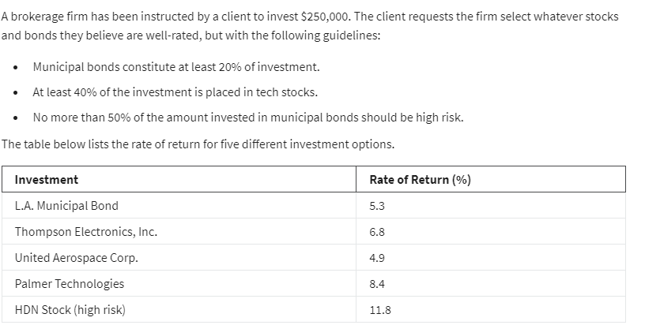
LP Investment Allocation Example:
 | x1 | x2 | x3 | x4 | x5
Variables: | 5.30% | 6.80% | 4.90% | 8.40% | 11.80%
 | $50,000.00 | $- | $- | $175,000.00 | $25,000.00 | <--dummy numbers

Objective(max):
Actual return: | $20,300.00 | =SUMPRODUCT(B3:F3,B4:F4)

Constraints Table: |  |  |  |  |  | LHS | Sign | RHS
Budget | 1 | 1 | 1 | 1 | 1 | 250000 | <= | 250000
at least municipal 20% | 1 |  |  |  |  | 50000 | >= | 50000
at least 40% in tech |  | 1 | 1 | 1 |  | 175000 | >= | 100000
no more 50% in high risk | -50% |  |  |  | 1 | 0 | <= | 0 | LHS formula
 |  |  |  |  |  |  |  |  | =SUMPRODUCT($B$4:$F$4,B12:F12)
 | logic: |  |  |  |  |  |  |  | =SUMPRODUCT($B$4:$F$4,B13:F13)
 | x 5<= 50*x1 |  |  |  |  |  |  |  | =SUMPRODUCT($B$4:$F$4,B14:F14)
 | x5 - 50*x1<=0

